Sheet1
SKU | Inventory Qty | Image | Connector | Specifications |  | Packaging
ADL035 | 27 | 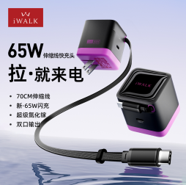 | USB-C | [Integrated Cable] Built-in charging cable keeps desks and bags free from cable clutter—one unit is enough for travel. [Long Built-in Cable] Approx. 70 cm retractable cable for convenient desktop use. [GaN Technology] GaN chip reduces device size and heat while improving charging stability. [65W Fast Charging] Up to 65W output for phones, tablets, laptops, and other devices. [Multi-Device Fast Charging] Dual-port 45W + 20W output supports simultaneous fast charging. [Safer Design] Concealed cable helps prevent pets from chewing on it. [Worldwide Voltage] Supports 100–240V input. |  | All items are packed in iWALK-style color boxes. | All products are brand new and non-infringing.
BTA006 | 35 | 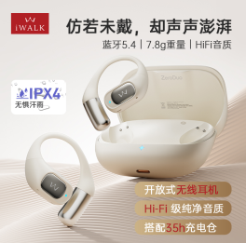 |  | Bluetooth Version: 5.4 Bluetooth Range: >10 m (unobstructed) Speaker: Composite titanium-coated diaphragm Battery Life: Approx. 7 hours playback / 6 hours calls Battery Capacity: Main unit 500mAh; earbuds 60mAh Water Resistance: IPX5 Charging Case: 77.35 × 63.8 × 25.2 mm; 48 g (±1 g) Earbuds: 41.8 × 41.15 × 15.2 mm; 7.6 g Accessories: Packaging and 0.2 m USB-C to USB-C cable | 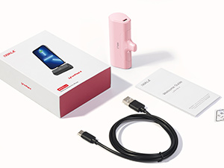 |  | 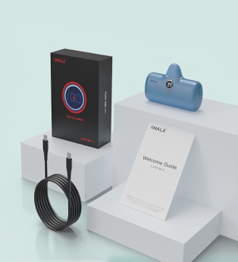
DBL10000L | 362 | 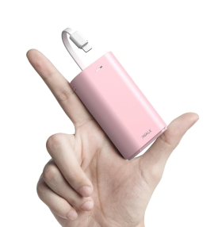 | Lightning |  |  | 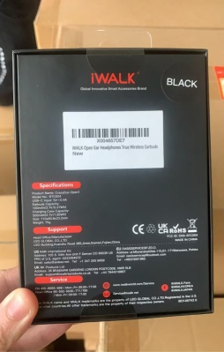 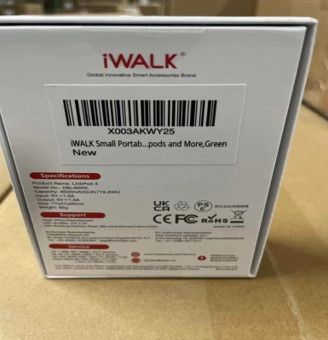
DBL10000PL | 263 | 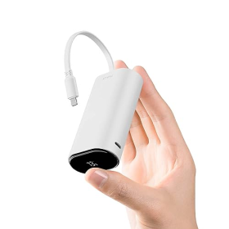 | Lightning | 9600mAh, 18W fast charging, built-in Lightning cable, digital battery-level display |  | 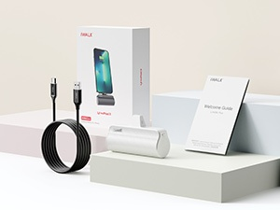
DBL10000S | 10 | 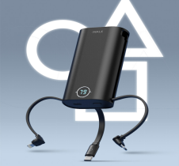 | Universal | Built-in cable design; no extra cable required. 18W two-way fast charging. LCD digital battery display. Multiple colors. Compact and lightweight. 10,000mAh capacity with intelligent temperature control. Four outputs support multiple phones.
DBL4500C | 457 | 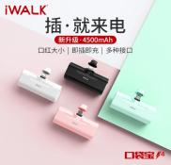 | USB-C | Plug-and-charge design. Compact 4500mAh lithium-ion battery. High-speed 5V/1.5A output. Battery indicator light. Smart recognition. Protective dust cap.
DBL4500L | 79 |  | Lightning
DBL5000PC | 724 | 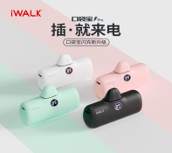 | USB-C | Plug-and-charge design. Compact 4800mAh lithium-ion battery. LCD digital battery display. Smart recognition and case-friendly design. Protective dust cap. 18W charging; USB-C supports two-way PD fast charging.
DBL5000PL | 88 |  | Lightning
DBL9000W | 33 | 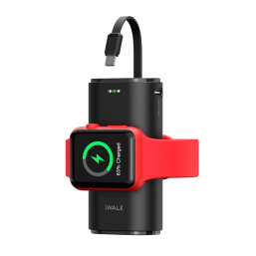 | Lightning | Battery Capacity: 9000mAh
DBS4500C | 152 | 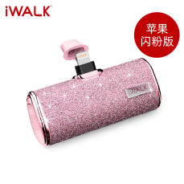 | USB-C | Battery Capacity: 4500mAh
DBS4500L | 35 |  | Lightning
DS3350L | 35 | 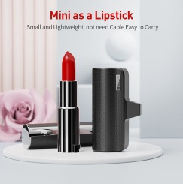 | Lightning | Battery Capacity: 3350mAh
HBT001 | 15 |  | USB-C | 65W built-in USB-C two-way fast-charging cable. Large LED digital display. 20,000mAh capacity supports laptop charging. Low-current mode for earbuds and watches. Input/output support up to 65W PD fast charging; charges up to three devices. Compact design and wide compatibility.
LPB3500L | 525 | 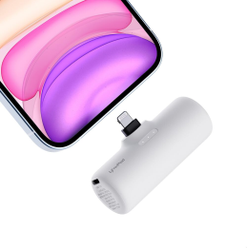 | Lightning | Battery Capacity: 3500mAh
LPB4500L | 40 |  | Lightning | Ultra-compact 4500mAh plug-in power bank. 15W charging. Lightweight cable-free design. Supports simultaneous overnight charging. Raised connector base works with many phone cases.
LPR001C | 2465 | 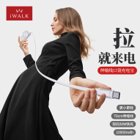 | USB-C | Approx. 70 cm retractable cable, 30W two-way fast charging, 10,000mAh capacity. Compact integrated design. Built-in smart LED display shows remaining battery and charging status. Three charging ports.
LPR002 | 1030 | 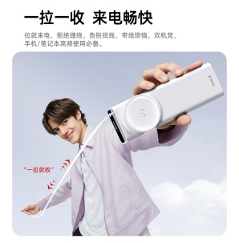 | USB-C | Protocols: PD, PPS, QC, SCP, AFC, FCP, Apple 2.4, DCP 1.5. iWALK Reel Series 20,000mAh 65W power bank with retractable cable. Smart LCD with 1% battery display. Low-current mode. Automotive-grade 21700 cells and NTC temperature protection.
LPR003C | 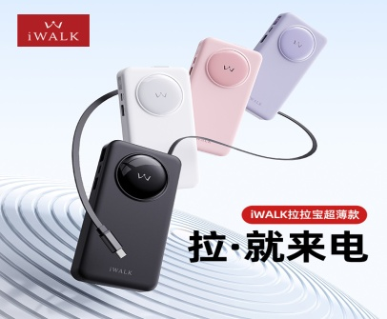 684 |  | USB-C | 18 mm slim body. 60 cm retractable cable tested for 10,000 pulls. 30W two-way fast charging. 10,000mAh capacity. Three outputs and two inputs. Smart LED display. Low-current mode for small devices.
LPR004C | 516 |  | USB-C | 3-in-1 charger, power bank, and retractable cable. 5000mAh automotive-grade cell. 50 cm retractable cable tested for 15,000+ pulls. Compact design. 30W fast charging. Built-in AC plug.
LPS001C | 172 | 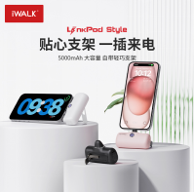 | USB-C | Built-in stand. Compact 5000mAh battery. LCD digital battery display. Smart recognition and case-friendly design. Protective dust cap. 20W fast charging.
LPS001L | 40 |  | Lightning
LPS002 | 576 |  | Universal | Dual-connector switching design supports Apple and Android devices. 5000mAh capacity. 15W two-way fast charging. Compact lipstick-size design.
MXB001 | 333 | 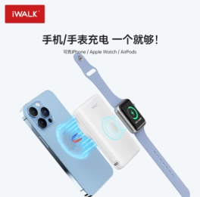 | Magnetic | Magnetic wireless charging with two-way fast charging. Supports simultaneous phone and watch charging. Compact card-sized design. 10,000mAh capacity. Strong magnetic attachment. PD 18W two-way fast charging.
MXS007 | 174 | 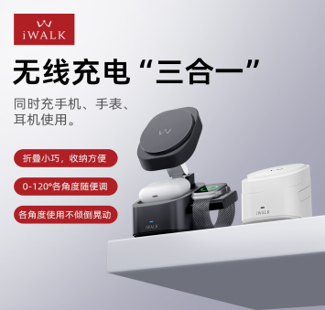 | Wireless Charging | 3-in-1 wireless charging for compatible Apple phone, watch, and earbuds. 25° built-in tilt; phone mount adjusts 0–120°. Supports up to 15W MagSafe charging. N52 magnets with up to 1.2 kg holding force. Compact design for desk, table, or bedside use.
Total | 8870

